RQ1
Year | Number documents | Percentage (%) | Terms | Title | Abstract | Author Keywords | Index Keywords | Combination WITH repetitions | Combination WITHOUT repetitions | Font
2022 | 3 | 6.25 | software development | 3 | 46 | 7 | 11 | 75 | 48 | 50
2023 | 18 | 37.50 | large language model | 10 | 30 | 24 | 22 | 87 | 37 | 41
2024 | 27 | 56.25 | llm | 12 | 28 | 4 | 3 | 58 | 32 | 37
 |  |  | generative ai | 2 | 6 | 4 | 4 | 16 | 6 | 10
Number of studies per year
 |  |  | automatic programming | 0 | 0 | 0 | 3 | 3 | 3 | 13
 |  |  | genai | 0 | 0 | 0 | 0 | 0 | 0
 |  |  | ai chatbot | 0 | 0 | 0 | 0 | 0 | 0
 |  |  | conversational ai | 1 | 1 | 0 | 0 | 3 | 2 | 12

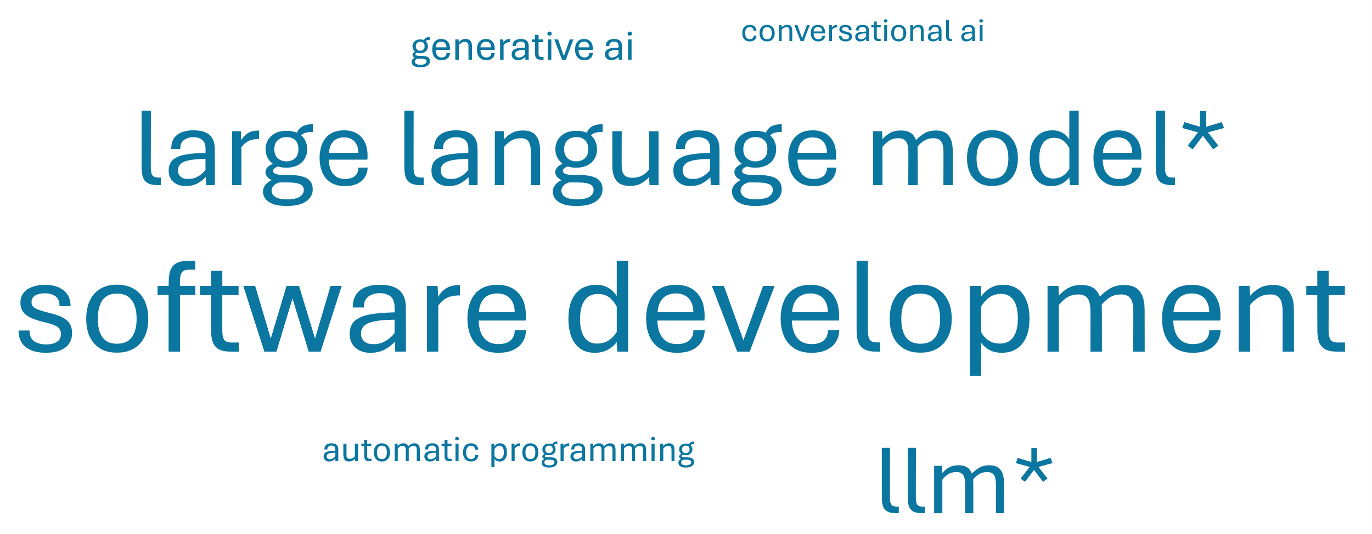

Number of studies per type of publication
Year | Number documents | Percentage (%)
Conference paper | 39 | 81.25
Journal article | 8 | 16.67
Book Chapter | 1 | 2.08

RQ2
Year | Number documents | Percentage (%)
Maintenance | 3 | 5.36
Testing | 20 | 35.71
Construction | 27 | 48.21
Architecture and design | 3 | 5.36
Requirements | 3 | 5.36

Number of studies per SWEBOK area

SDLC Phase | Applications
Software Requirements | Requirements Modelling,User Story Generation/Enhancement
Software Architecture and Design | Design Modelling,UI/UX Design
Number of studies per SWEBOK area and activity
Software Construction | Code Generation,Code Refactoring/Improvement,Code Documentation/Comprehension,Code Completion/Suggestion,Version Control and Integration
Software Quality | No hay datos
Software Maintenance | System Tracking,Incident Management

Software Requirements
Application | Number documents | Percentage
Requirements Modelling | 1 | 33.33
User Story Generation/Enhancement | 2 | 66.67

Software Architecture and Design
Application | Number documents | Percentage
Design Modelling | 2 | 66.67
UI/UX Design | 1 | 33.33

Software Construction
Application | Number documents | Percentage
Code Generation | 15 | 27.78
Code Translation | 6 | 11.11
Code Completion/Suggestion | 10 | 18.52
Code Refactoring/Improvement | 9 | 16.67
Code Documentation/Comprehension | 12 | 22.22
Version Control and Integration | 2 | 3.70

Software Testing
Application | Number documents | Percentage
Bug/Defect Detection/Classification | 17 | 31.48
Test Case/Data Generation | 10 | 18.52

Software Maintenance
Application | Number documents | Percentage
Incident Management | 1 | 1.85
System Tracking | 2 | 3.70

SDLC Phase | SDLC Application | Number documents
Maintenance | Incident management | 1
 | System tracking | 2
Testing | Bug/defect detection/classification | 17
 | Test case/data generation | 10
Construction | Version control and integration | 2
 | Code documentation/comprehension | 12
 | Code refactoring/improvement | 9
 | Code completion/suggestion | 10
 | Code translation | 6
 | Code generation | 15
Architecture and design | UI/UX design | 1
 | Design modeling | 2
Requirements | User story generation/enhancement | 2
 | Requirements modeling | 1

RQ3
Model
not mentioned,gpt-3.5,sbert,chatgpt,falcon-40b,gpt-2,llama-7b,llama-13b,albert,bert,codebert,deberta,distilbert,roberta,tinypixel/llama-2-7b-bf16-sharded,faster rcnn inception resnet v2,codegpt,cat-lm,copilot,codeparrot-small,codeparrot,gpt-neo-125m,gpt-neo-13b,gpt-j,codegen-2b,codegen-6b,codefuse-13b,gpt-3.5-turbo,code-davinci-002,llama-2-chat,graphcodebert,codet5,coderanker,f-codellm,gpt4,starcoder,unixcoder,t5,txt2model,codex,gpt-4,gpt-3,gpt-3.5-turbo16k,gpt-4-1106-preview,flan-t5-small,flan-t5-base,chatglm-6b,gpt 3.5,gpt,chatgpt 3.5,codet5+,curie

Types | Results
GPT | gpt-3.5,chatgpt,gpt-2,codegpt,gpt-neo-125m,gpt-neo-13b,gpt-j,gpt-3.5-turbo,gpt4,gpt-4,gpt-3,gpt-3.5-turbo16k,gpt-4-1106-preview,gpt 3.5,gpt,chatgpt 3.5
BERT | sbert,albert,bert,codebert,deberta,distilbert,roberta,graphcodebert
T5 | codet5,t5,flan-t5-small,flan-t5-base,codet5+
Llama | llama-7b,llama-13b,tinypixel/llama-2-7b-bf16-sharded,llama-2-chat
Codex | codex
Not mentioned | not mentioned
Number of studies per family of GenAI models
Others | falcon-40b,faster rcnn inception resnet v2,cat-lm,copilot,codeparrot-small,codeparrot,codegen-2b,codegen-6b,codefuse-13b,code-davinci-002,coderanker,f-codellm,starcoder,unixcoder,txt2model,chatglm-6b,curie

General Results
Types | Number of studies
Others | 14
BERT family | 8
Codex family | 3
GPT family | 23
Llama family | 4
T5 family | 5

Software Requirements
Types | Number of studies
Others | 1
BERT family | 0
Codex family | 0
GPT family | 3
Llama family | 0
T5 family | 0

Software Architecture and Design
Types | Number of studies
Others | 0
BERT family | 0
Codex family | 0
GPT family | 1
Llama family | 0
T5 family | 0

Software Construction
Types | Number of studies
Others | 7
BERT family | 4
Codex family | 2
GPT family | 14
Llama family | 2
T5 family | 2

Software Testing
Types | Number of studies
Others | 7
BERT family | 4
Codex family | 2
GPT family | 9
Llama family | 1
T5 family | 2

Software Maintenance
Types | Number of studies
Others | 1
BERT family | 0
Codex family | 0
GPT family | 1
Llama family | 1
T5 family | 1

RQ4
Contribution Facet | Number documents | Percentage (%) | Research Strategy | Number documents | Percentage (%)
Method/Approach | 20 | 41.67 | None | 5 | 10.42
Model/Framework | 15 | 31.25 | Experimental simulation | 4 | 8.33
Tool | 13 | 27.08 | Field experiment | 7 | 14.58
 |  |  | Judgment study | 2 | 4.17
Number of studies per contribution facet
 |  |  | Laboratory experiment | 30 | 62.50

Number of studies per research strategy

